Texas Notes
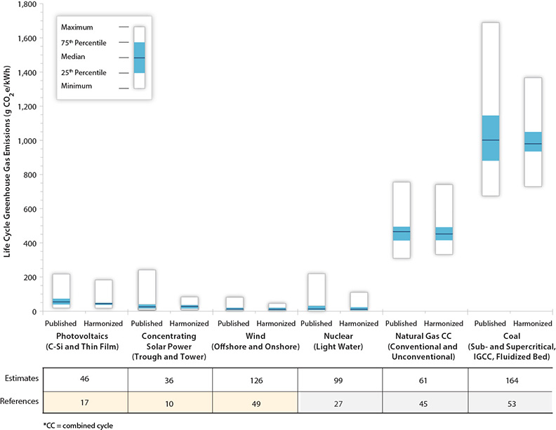
NREL released an excellent report on powerplant LCA in 2014
called the LCA harmonization project where they
review the literature and other studies that assign
LCA values to power plants, and then show the
range in values that can be found.
https://www.nrel.gov/analysis/life-cycle-assessment.html
https://www.nrel.gov/docs/fy13osti/57187.pdf

EPS Uses this source for a couple of its existing numbers (wind and hydro)

The study does not separate fuel and non-fuel LCA numbers, so their numbers for fossil and biopower plants are not useful here.

Here are the "harmonized" median values from their report:

 | gCO2e / kWh | metric tons CO2 / MWh | Error vs. Original EPS
hard coal
natural gas nonpeaker
nuclear | 12 | 0.012 | -16% | https://onlinelibrary.wiley.com/doi/pdf/10.1111/j.1530-9290.2012.00472.x
hydro | 7 | 0.007 | 6% | http://www.ipcc-wg3.de/report/IPCC_SRREN_Ch05.pdf
onshore wind | 11 | 0.011 | 0% | https://www.nrel.gov/docs/fy13osti/57131.pdf
solar PV | 48 | 0.048 | 7% | https://www.nrel.gov/docs/fy13osti/56487.pdf
solar thermal | 22.5 | 0.0225 | -50% | solar thermal actually has its own value in the NREL study, so we don't need to use PV as a proxy | https://www.nrel.gov/docs/fy13osti/56416.pdf
biomass
geothermal | 32 | 0.032 | -36% | https://www.nrel.gov/docs/fy17osti/68474.pdf | assume EGS numbers b/c Texas has relatively low temperature resources
petroleum |  |  |  |  | https://www.eia.gov/energyexplained/geothermal/where-geothermal-energy-is-found.php
natural gas peaker
lignite
offshore wind | 11 | 0.011 | 0% | https://www.nrel.gov/docs/fy13osti/57131.pdf
crude oil
heavy or residual fuel oil
municipal solid waste

Thoughts:
I couldn't find a new source for coal, biomass, natural gas plants, oil, or msw plants
But I think this is okay because fuel emissions will dominate these technologies anyway.
In the chart on the right, for example, when we include fuel, NGCC emissions are 500 g/kWh and Coal is 1000 g/kWh.
So the 68 and 26 values used for their non-fuel LCA emissions are very small compared to their fuel LCA emissions.
So even if newer numbers were updated to 2020 and changed by 20-30%, they would still have only a
small impact on the overall CO2 emissions of these technologies.

